-old-famDeduct-
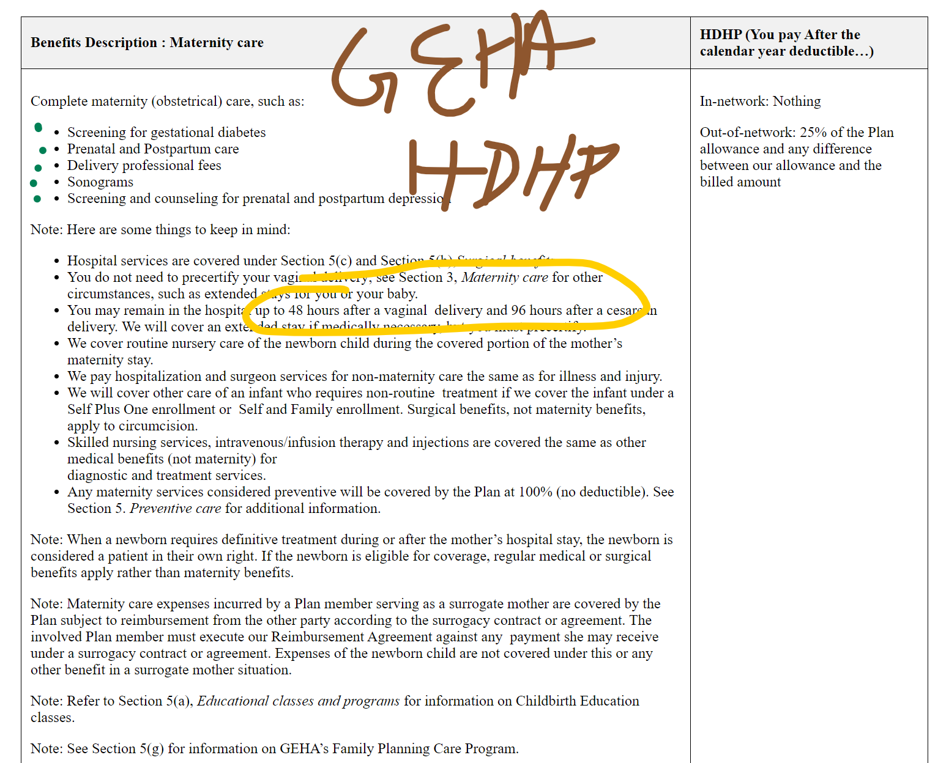
Cost Info |  |  |  | Effective Tax Rate |  | Tactical Air |  |  |  |  |  |  |  | Fed |  |  |  |  |  |  |  |  |  |  |  |  |  |  |  | Individual Deduct / OOP (in network)
Issue | Raw Cost | Odds / Yr | @Risk Code | 35% |  | OAP HDHPQ |  | OAP Base |  | OAP 1500 |  | OAP 500 |  | GEHA Standard |  | GEHA HDHP |  | UHC LU3 |  | APWU CDHP |  | Aetna N6 (CDHP) |  |  | Breastfeeding Stuff | Acupuncture | Infertility | Preg Est | Out of Net |  | Notes
Routine PCP Visit | $200 | 3 | #NAME? |  |  | 1 | 20% | 0 | $30 | 0 | $25 | 0 | $25 | 0 | $20 | 1 | 5% | 1 | 8% | 1 | 15% | 1 | 20% | OAP HDHPQ | 100% | 20% after deduct | No | $5,120 | 6,400 / 12,800; 12k/24k; 40% | 3200 / 6,000
Specialist Visit | $300 | 2 | #NAME? |  |  | 1 | 20% | 0 | $60 | 0 | $50 | 0 | $50 | 0 | $35 | 1 | 5% | 1 | 10% | 1 | 15% | 1 | 20% | OAP Base | 100% | $60/ea | No |  |  | 5,500 / 7,000
Mental Health Visit | $235 | 0 | #NAME? |  |  | 1 | 20% | 0 | $30 | 0 | $25 | 0 | $25 | 0 | $20 | 1 | 5% | 1 | 13% | 1 | 15% | 1 | 20% | OAP 1500 | 100% | $50/ea | No |  |  | 1,500 / 6,000
Chiropractor Visit | $120 | 3 | #NAME? |  |  | 1 | 20% | 0 | $60 | 0 | $50 | 0 | $50 | 0 | $35 | 1 | 5% | 1 | 20% | 1 | 15% | 1 | 100% | OAP 500 | 100% | $50/ea | No |  | 1000/2,000; 3K/6K/ 50% | 500 / 1500
Generic Script | $100 | 1 | #NAME? |  |  | 1 | 20% | 0 | $15 | 0 | $15 | 0 | $15 | 0 | $10 | 1 | 25% | 1 | 85% | 1 | 25% | 1 | 6% | GEHA Standard | 100% | 15% after ded | Yes, after 6 months: 15% after deductible. | $70 | 700/1,400; 8.5k/17k; 35% | $350 / $6,500
Formula Brand Name | $500 | 1 | #NAME? |  |  | 1 | 20% | 0 | $45 | 0 | $45 | 0 | $45 | 0 | 40% | 1 | 25% | 1 | 43% | 1 | 25% | 1 | 30% | GEHA HDHP | 100% | 5% after deduct | Yes, after 6 months; 5% | $1,660 | 3,200/6,400; 8.5/17k; 25% | 1,600 / 6,000 | Requires union membership. Impossible to find standard cost summary.
Non-Form Brand Name | $750 | 0 | #NAME? |  |  | 1 | 20% | 0 | $75 | 0 | $75 | 0 | $75 | 0 | 60% | 1 | 40% | 1 | 47% | 1 | 40% | 1 | 50% | UHC LU3 | 100% | 20% after deduct | Yes, after 6 months @ 50% | $5,100 | 4,000/8,000; 12k/24k; 30% | $2,000 / $6,000 | I'm not TOTALLY SURE this is right. It LOOKS like the copayments don't count toward deductible.
Urgent Care | $300 | 2 | #NAME? |  |  | 1 | 20% | 0 | $60 | 0 | $50 | 0 | $50 | 0 | $35 | 1 | 5% | 1 | 12% | 1 | 15% | 1 | 20% | APWU CDHP | 100% | 15% after ded | Yes, does not say how long. 15% (maybe after deductible?) | ??? | 2700 / 5400; 12k/24k; 50% | 2,200 / 6,500 | I'm not TOTALLY sure that Maternity Care does not apply to the deductible.
ER Visit | $3,500 | 1 | #NAME? |  |  | 1 | 20% | 0 | $300 | 0 | $250 | 0 | $250 | 1 | 15% | 1 | 5% | 1 | 8% | 1 | 15% | 1 | 20% | Aetna N6 (CDHP) | 100% | 20% after deduct | Yes, after 6 months: 20% deductible. | $3,370 | $1,600/$3,200; 7k/14k; 40% | 1,600 / 6,000
Lab Services | $200 | 1 | #NAME? |  |  | 1 | 20% | 1 | 30% | 1 | 20% | 1 | 20% | 1 | 15% | 1 | 5% | 1 | 15% | 1 | 15% | 1 | 20%
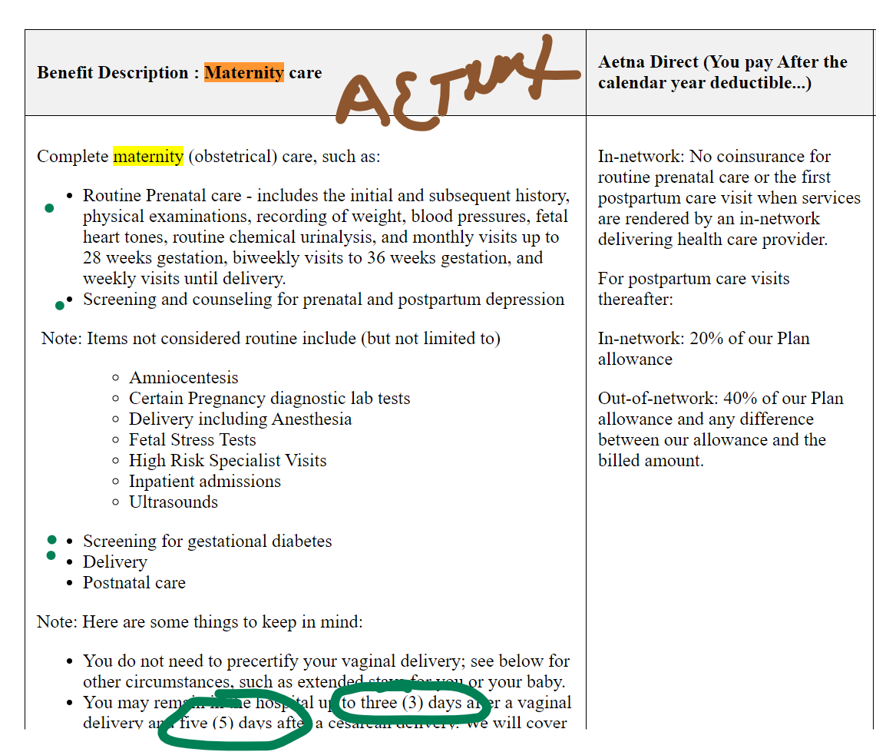
Pregnancy & Delivery | $25,000 | 50% | #NAME? |  |  | 1 | 20% | 1 | 30% | 1 | 20% | 1 | 20% | 0 | 0% | 1 | 0% | 1 | 20% | 0 | 0% | 1 | 0%
CATASTROPHE | $50,000 | 1.00% | #NAME? |  |  | 1 | 20% | 1 | 30% | 1 | 20% | 1 | 20% | 1 | 15% | 1 | 5% | 1 | 20% | 1 | 15% | 1 | 20%
Outpatient Surgery | $15,000 | 10% | #NAME? |  |  | 1 | 20% | 1 | 30% | 1 | 20% | 1 | 20% | 1 | 15% | 1 | 5% | 1 | 20% | 1 | 15% | 1 | 20%

Premium (Annual) |  |  |  |  | Premium (Annual) |  | $1,800 |  | $2,664 |  | $3,780 |  | $5,544 |  | $3,922 |  | $3,994 |  | $5,046 |  | $4,339 |  | $4,232
Premium Corrected for Taxes |  |  |  |  | Premium Corrected for Taxes |  | $1,170 |  | $1,732 |  | $2,457 |  | $3,604 |  | $2,549 |  | $2,596 |  | $3,280 |  | $2,820 |  | $2,751 |  | ACTUALS
Deductible (Fam) |  |  |  |  | Deductible (Fam) |  | $6,400 |  | $11,000 |  | $4,500 |  | $1,000 |  | $700 |  | $3,200 |  | $4,000 |  | $4,400 |  | $3,200 |  |  |  | UHC LU3
Max OOP |  |  |  |  | Max OOP |  | $12,000 |  | $14,000 |  | $12,000 |  | $3,000 |  | $13,000 |  | $12,000 |  | $12,000 |  | $13,000 |  | $12,000 |  |  |  | 1 | $15
 |  |  |  |  |  |  |  |  |  |  |  |  |  |  |  |  |  |  |  |  |  |  |  |  |  |  | 1 | $30
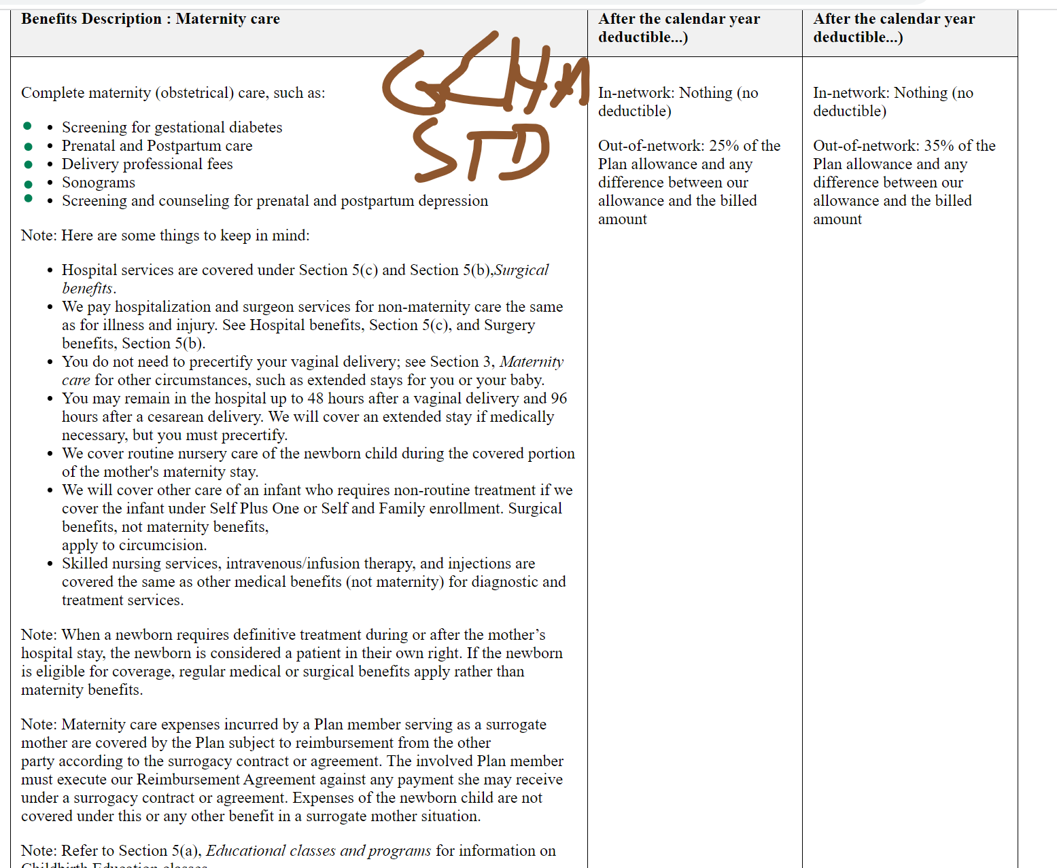
ONLY Counseling | Total Costs | Expenses | Total Paid Less HSA |  | Non-Deductible Costs |  | $- |  | #NAME? |  | #NAME? |  | #NAME? |  | #NAME? |  | $- |  | $- |  | $- |  | $- |  |  |  | 1 | $30
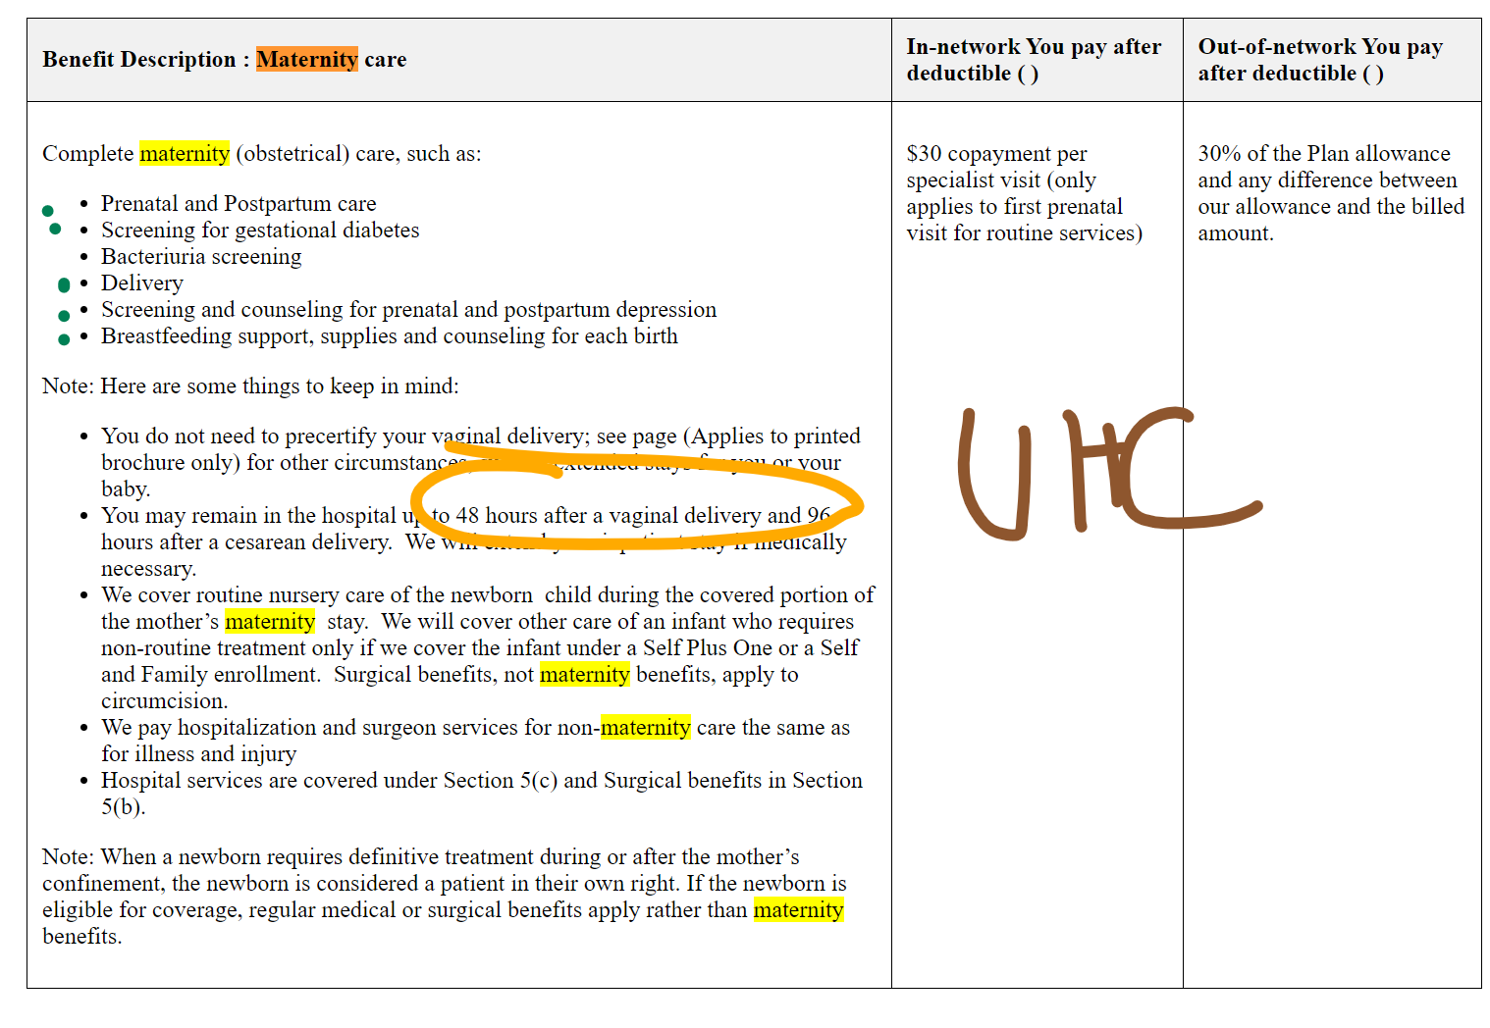
OAP HDHPQ | #NAME? | #NAME? | #NAME? |  | Total Deductible-Applying Cost |  | #NAME? |  | #NAME? |  | #NAME? |  | #NAME? |  | #NAME? |  | #NAME? |  | #NAME? |  | #NAME? |  | #NAME? |  |  |  | 1 | 20%
OAP 1500 |  |  |  |  | Hit Deductible? |  | #NAME? |  | #NAME? |  | #NAME? |  | #NAME? |  | #NAME? |  | #NAME? |  | #NAME? |  | #NAME? |  | #NAME? |  |  |  | 1 | $85
OAP Base |  |  |  |  | Amount of Deductible-Appl. That's Shared? |  | #NAME? |  | #NAME? |  | #NAME? |  | #NAME? |  | #NAME? |  | #NAME? |  | #NAME? |  | #NAME? |  | #NAME? |  |  |  | 1 | $212.50
OAP 500 | #NAME? | #NAME? | #NAME? |  | % Split of Share Deductible |  | #NAME? |  | 0% |  | 0% |  | 0% |  | 0% |  | 0% |  | 0% |  | 0% |  | 0% |  |  |  | 1 | $350
GEHA Standard | #NAME? | #NAME? | #NAME? |  | Our Share of Shared Deductible |  | #NAME? |  | #NAME? |  | #NAME? |  | #NAME? |  | #NAME? |  | #NAME? |  | #NAME? |  | #NAME? |  | #NAME? |  |  |  | 1 | $35
APWU CDHP | #NAME? | #NAME? | #NAME? |  | Insurance Share of Shared Deductible |  | #NAME? |  | #NAME? |  | #NAME? |  | #NAME? |  | #NAME? |  | #NAME? |  | #NAME? |  | #NAME? |  | #NAME? |  |  |  | 1 | $275
Aetna N6 (CDHP) | #NAME? | #NAME? | #NAME? |  | Checksum |  | #NAME? |  | #NAME? |  | #NAME? |  | #NAME? |  | #NAME? |  | #NAME? |  | #NAME? |  | #NAME? |  | #NAME? |  |  |  | 1 | $30
 |  |  |  |  |  |  |  |  |  |  |  |  |  |  |  |  |  |  |  |  |  |  |  |  |  |  | 1 | 20%
ONLY Counseling | Total Costs | Expenses | Total Paid Less HSA |  | Our Expenses |  | #NAME? |  | #NAME? |  | #NAME? |  | #NAME? |  | #NAME? |  | #NAME? |  | #NAME? |  | #NAME? |  | #NAME? |  |  |  | 1 | 20%
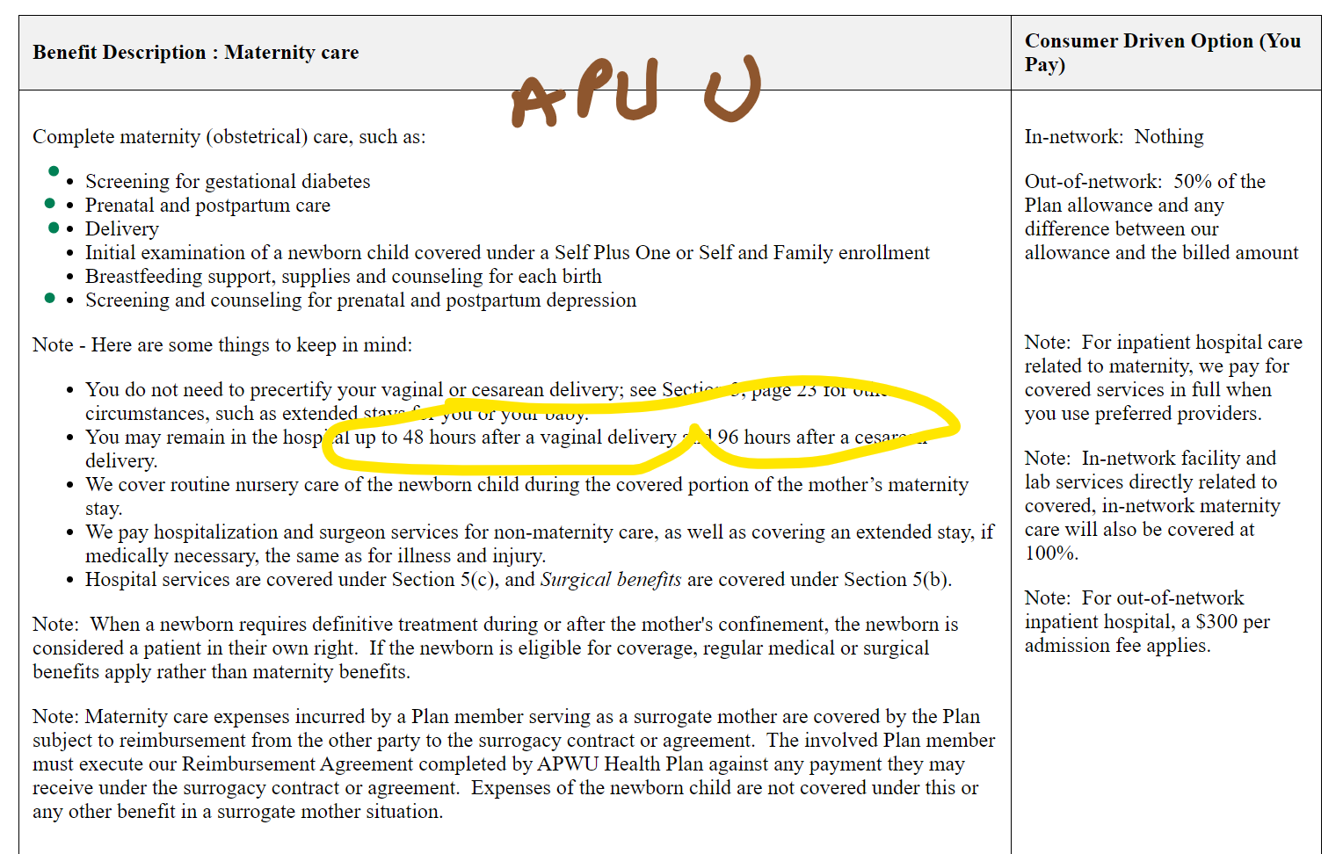
OAP HDHPQ | #NAME? | #NAME? | #NAME? |  | Over Max OOP? |  | #NAME? |  | #NAME? |  | #NAME? |  | #NAME? |  | #NAME? |  | #NAME? |  | #NAME? |  | #NAME? |  | #NAME? |  |  |  | 1 | 20%
 |  |  |  |  | Corrected Our Expenses |  | #NAME? |  | #NAME? |  | #NAME? |  | #NAME? |  | #NAME? |  | #NAME? |  | #NAME? |  | #NAME? |  | #NAME?
 |  |  |  |  | HSA Bonus? | Y | $1,645 | N | $- | N | $- | N | $- | N | $- | Y | $2,205 | Y | $2,380 | N | $- | N | $-
 |  |  |  |  | Additional Bonus, if Appl. |  | $3,600 |  |  |  |  |  |  |  |  |  | $2,000 |  | $1,500 |  | $2,400 |  | $1,800
 |  |  |  |  | Total Cost Less Bonus |  |  |  |  |  |  |  |  |  | #NAME? |  | #NAME? |  | #NAME? |  | #NAME? |  | #NAME?
 |  |  |  |  | TOTAL COST: |  | #NAME? |  | #NAME? |  | #NAME? |  | #NAME? |  | #NAME? |  | #NAME? |  | #NAME? |  | #NAME? |  | #NAME?
 |  |  |  |  |  | OAP HDHPQ |  | OAP Base |  | OAP 1500 |  | OAP 500 |  | GEHA Standard |  | GEHA HDHP |  | UHC LU3 |  | APWU CDHP |  | Aetna N6 (CDHP)

oldFamily Report
 |  | Outputs
 |  | Report: |  | Overlay Outputs Report
 |  | Performed By: |  | weedy
 |  | Date: |  | Saturday, November 9, 2024

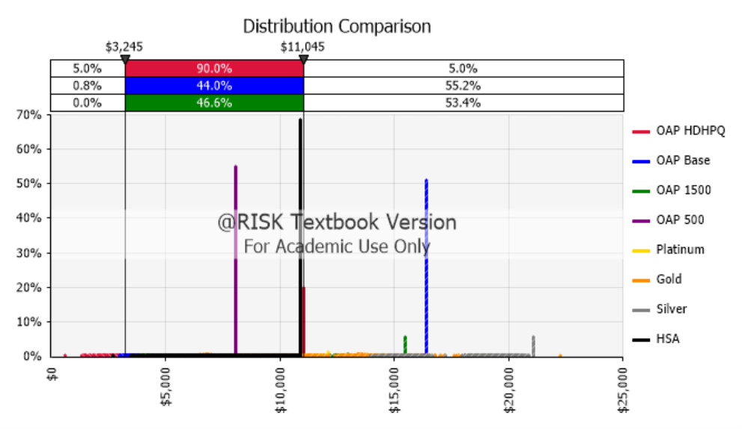

Summary Statistics for Outputs
Statistic | OAP HDHPQ |  | OAP Base |  | OAP 1500 | OAP 500 | Platinum | Gold | Silver | HSA
Cell | H37 |  | J37 |  | L37 | N37 | Q37 | S37 | U37 | W37
Minimum | $565.00 |  | $2,973.00 |  | $3,835.40 | $5,540.00 | $6,380.03 | $5,698.51 | $4,595.01 | $2,705.03
Maximum | $11,045.00 |  | $16,418.00 |  | $15,455.40 | $8,070.00 | $12,090.03 | $22,248.51 | $21,080.01 | $10,885.03
Mean | $8,178.12 |  | $10,863.99 |  | $9,347.38 | $7,376.58 | $8,938.56 | $10,596.71 | $13,146.59 | $9,823.54
Std. Deviation | $2,792.18 |  | $6,130.27 |  | $4,379.56 | $815.39 | $1,599.48 | $3,533.35 | $6,668.11 | $1,899.13
Variance | 7,796,254 |  | 37,580,216 |  | 19,180,550 | 664,865 | 2,558,341 | 12,484,532 | 44,463,742 | 3,606,709
Skewness | -0.4809 |  | -0.2154 |  | -0.1305 | -0.4992 | -0.0541 | 0.0951 | -0.1586 | -1.6251
Kurtosis | 1.8059 |  | 1.0565 |  | 1.1427 | 1.5440 | 1.3991 | 1.7654 | 1.0982 | 4.2204
Median | $9,789.00 |  | $16,418.00 |  | $12,580.40 | $8,070.00 | $9,838.03 | $12,818.51 | $18,355.01 | $10,885.03
Mode | $11,045.00 |  | $16,418.00 |  | $15,455.40 | $8,070.00 | $12,090.03 | $6,638.51 | $21,080.01 | $10,885.03
1% | $2,305.00 |  | $3,278.00 |  | $4,050.40 | $5,810.00 | $6,588.03 | $6,058.51 | $4,925.01 | $4,445.03
2.5% | $2,705.00 |  | $3,383.00 |  | $4,115.40 | $5,915.00 | $6,696.03 | $6,178.51 | $5,055.01 | $4,845.03
5% | $3,245.00 |  | $3,533.00 |  | $4,205.40 | $6,035.00 | $6,808.03 | $6,318.51 | $5,230.01 | $5,385.03
10% | $4,005.00 |  | $3,718.00 |  | $4,320.40 | $6,215.00 | $6,954.03 | $6,508.51 | $5,420.01 | $6,145.03
20% | $5,645.00 |  | $3,973.00 |  | $4,490.40 | $6,435.00 | $7,176.03 | $6,768.51 | $5,710.01 | $8,585.03
25% | $5,813.00 |  | $4,098.00 |  | $4,575.40 | $6,555.00 | $7,284.03 | $6,888.51 | $5,860.01 | $9,425.03
50% | $9,789.00 |  | $16,418.00 |  | $12,580.40 | $8,070.00 | $9,838.03 | $12,818.51 | $18,355.01 | $10,885.03
75% | $10,837.00 |  | $16,418.00 |  | $13,190.40 | $8,070.00 | $10,318.03 | $13,578.51 | $19,240.01 | $10,885.03
80% | $11,041.00 |  | $16,418.00 |  | $13,285.40 | $8,070.00 | $10,402.03 | $13,698.51 | $19,390.01 | $10,885.03
90% | $11,045.00 |  | $16,418.00 |  | $13,600.40 | $8,070.00 | $10,676.03 | $14,068.51 | $19,860.01 | $10,885.03
95% | $11,045.00 |  | $16,418.00 |  | $15,455.40 | $8,070.00 | $11,037.53 | $14,981.84 | $21,080.01 | $10,885.03
97.5% | $11,045.00 |  | $16,418.00 |  | $15,455.40 | $8,070.00 | $11,397.53 | $15,756.51 | $21,080.01 | $10,885.03
99% | $11,045.00 |  | $16,418.00 |  | $15,455.40 | $8,070.00 | $12,090.03 | $17,992.51 | $21,080.01 | $10,885.03

FamNoPregYesMental
 |  | Outputs
 |  | Report: |  | Overlaid Outputs Report
 |  | Performed By: |  | weedy
 |  | Date: |  | Saturday, December 21, 2024

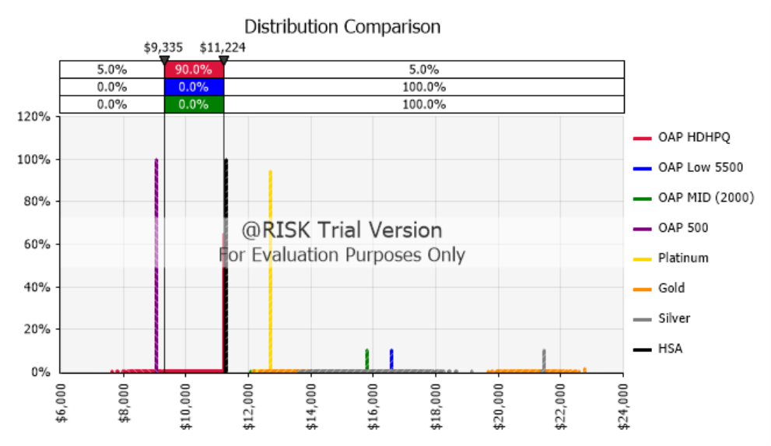

Summary Statistics for Outputs
Statistic | OAP HDHPQ |  | OAP Low 5500 |  | OAP MID (2000) | OAP 500 | Platinum | Gold | Silver | HSA
Cell | FamDeduct!H37 |  | FamDeduct!J37 |  | FamDeduct!L37 | FamDeduct!N37 | FamDeduct!Q37 | FamDeduct!S37 | FamDeduct!U37 | FamDeduct!W37
Minimum | $ 7,632.97 |  | $ 12,707.40 |  | $ 12,078.90 | $ 9,052.8000 | $ 12,132.41 | $ 12,192.47 | $ 13,585.40 | $ 11,294.0345
Maximum | $ 11,224.40 |  | $ 16,597.40 |  | $ 15,806.40 | $ 9,052.8000 | $ 12,699.03 | $ 22,763.36 | $ 21,478.01 | $ 11,294.0345
Mean | $ 10,863.32 |  | $ 14,683.01 |  | $ 13,897.91 | $ 9,052.8000 | $ 12,690.94 | $ 14,746.77 | $ 16,290.16 | $ 11,294.0345
Std. Deviation | $ 661.59 |  | $ 896.01 |  | $ 853.99 | $ 0 | $ 41.99 | $ 2,322.34 | $ 1,911.36 | $ 0
Variance | 437,697 |  | 802,830 |  | 729,293 | 0.000 | 1,764 | 5,393,257 | 3,653,297 | 0.000
Skewness | -1.9876 |  | 0.7728 |  | 0.9383 | #NUM! | -6.5948 | 2.3718 | 1.9457 | #NUM!
Kurtosis | 6.2698 |  | 2.9824 |  | 3.2673 | #NUM! | 52.8252 | 7.3054 | 5.7966 | #NUM!
Median | $ 11,224.40 |  | $ 14,507.40 |  | $ 13,718.90 | $ 9,052.8000 | $ 12,699.03 | $ 14,030.18 | $ 15,738.52 | $ 11,294.0345
Mode | $ 11,224.40 |  | $ 16,597.40 |  | $ 15,806.40 | $ 9,052.8000 | $ 12,699.03 | $ 22,763.36 | $ 21,478.01 | $ 11,294.0345
1% | $ 8,513.02 |  | $ 13,132.40 |  | $ 12,488.90 | $ 9,052.8000 | $ 12,443.53 | $ 12,770.18 | $ 14,140.51 | $ 11,294.0345
2.5% | $ 8,859.90 |  | $ 13,322.40 |  | $ 12,663.90 | $ 9,052.8000 | $ 12,571.95 | $ 12,954.37 | $ 14,383.52 | $ 11,294.0345
5% | $ 9,334.72 |  | $ 13,492.40 |  | $ 12,823.90 | $ 9,052.8000 | $ 12,667.95 | $ 13,112.47 | $ 14,583.52 | $ 11,294.0345
10% | $ 9,811.36 |  | $ 13,707.40 |  | $ 13,003.90 | $ 9,052.8000 | $ 12,699.03 | $ 13,285.86 | $ 14,803.52 | $ 11,294.0345
20% | $ 10,524.90 |  | $ 13,947.40 |  | $ 13,208.90 | $ 9,052.8000 | $ 12,699.03 | $ 13,514.37 | $ 15,081.12 | $ 11,294.0345
25% | $ 10,761.45 |  | $ 14,052.40 |  | $ 13,293.90 | $ 9,052.8000 | $ 12,699.03 | $ 13,602.47 | $ 15,181.25 | $ 11,294.0345
50% | $ 11,224.40 |  | $ 14,507.40 |  | $ 13,718.90 | $ 9,052.8000 | $ 12,699.03 | $ 14,030.18 | $ 15,738.52 | $ 11,294.0345
75% | $ 11,224.40 |  | $ 15,097.40 |  | $ 14,243.90 | $ 9,052.8000 | $ 12,699.03 | $ 14,564.55 | $ 16,430.40 | $ 11,294.0345
80% | $ 11,224.40 |  | $ 15,287.40 |  | $ 14,413.90 | $ 9,052.8000 | $ 12,699.03 | $ 14,732.47 | $ 16,650.40 | $ 11,294.0345
90% | $ 11,224.40 |  | $ 16,597.40 |  | $ 15,806.40 | $ 9,052.8000 | $ 12,699.03 | $ 20,142.55 | $ 21,478.01 | $ 11,294.0345
95% | $ 11,224.40 |  | $ 16,597.40 |  | $ 15,806.40 | $ 9,052.8000 | $ 12,699.03 | $ 21,219.21 | $ 21,478.01 | $ 11,294.0345
97.5% | $ 11,224.40 |  | $ 16,597.40 |  | $ 15,806.40 | $ 9,052.8000 | $ 12,699.03 | $ 21,759.21 | $ 21,478.01 | $ 11,294.0345
99% | $ 11,224.40 |  | $ 16,597.40 |  | $ 15,806.40 | $ 9,052.8000 | $ 12,699.03 | $ 22,763.36 | $ 21,478.01 | $ 11,294.0345

IndNoPregYesMental
 |  | Outputs
 |  | Report: |  | Overlaid Outputs Report
 |  | Performed By: |  | weedy
 |  | Date: |  | Saturday, December 21, 2024

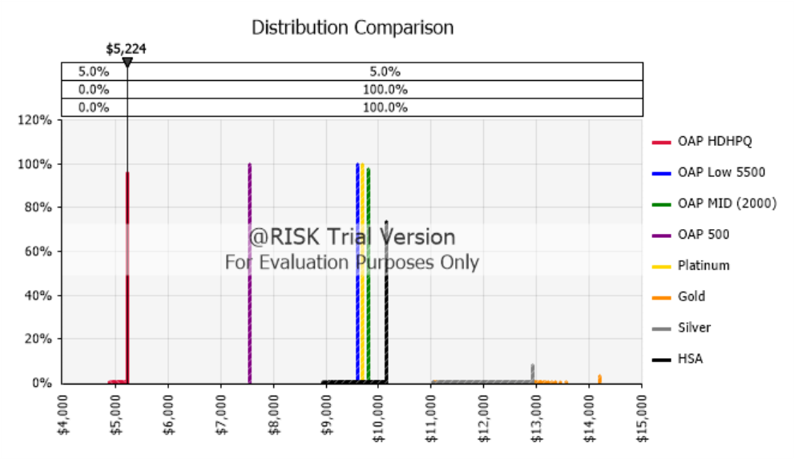

Summary Statistics for Outputs
Statistic | OAP HDHPQ |  | OAP Low 5500 |  | OAP MID (2000) | OAP 500 | Platinum | Gold | Silver | HSA
Cell | IndDeduct!H37 |  | IndDeduct!J37 |  | IndDeduct!L37 | IndDeduct!N37 | IndDeduct!Q37 | IndDeduct!S37 | IndDeduct!U37 | IndDeduct!W37
Minimum | $ 4,887.55 |  | $ 9,597.4000 |  | $ 9,528.900 | $ 7,552.8000 | $ 9,699.0323 | $ 11,050.86 | $ 11,040.51 | $ 8,933.85
Maximum | $ 5,224.40 |  | $ 9,597.4000 |  | $ 9,806.400 | $ 7,552.8000 | $ 9,699.0323 | $ 14,213.36 | $ 12,928.01 | $ 10,144.03
Mean | $ 5,220.89 |  | $ 9,597.4000 |  | $ 9,804.652 | $ 7,552.8000 | $ 9,699.0323 | $ 11,954.80 | $ 12,078.03 | $ 10,037.01
Std. Deviation | $ 22.70 |  | $ 0 |  | $ 14.666 | $ 0 | $ 0 | $ 542.37 | $ 446.05 | $ 220.34
Variance | 515.2 |  | 0.000 |  | 215.1 | 0.000 | 0.000 | 294,161 | 198,961 | 48,550
Skewness | -8.2425 |  | #NUM! |  | -11.0918 | #NUM! | #NUM! | 2.3602 | 0.3636 | -2.1735
Kurtosis | 80.3996 |  | #NUM! |  | 145.9200 | #NUM! | #NUM! | 10.3837 | 2.2929 | 7.0439
Median | $ 5,224.40 |  | $ 9,597.4000 |  | $ 9,806.400 | $ 7,552.8000 | $ 9,699.0323 | $ 11,850.00 | $ 12,020.51 | $ 10,144.03
Mode | $ 5,224.40 |  | $ 9,597.4000 |  | $ 9,806.400 | $ 7,552.8000 | $ 9,699.0323 | $ 14,213.36 | $ 12,928.01 | $ 10,144.03
1% | $ 5,098.52 |  | $ 9,597.4000 |  | $ 9,738.900 | $ 7,552.8000 | $ 9,699.0323 | $ 11,240.86 | $ 11,279.46 | $ 9,249.60
2.5% | $ 5,177.15 |  | $ 9,597.4000 |  | $ 9,806.400 | $ 7,552.8000 | $ 9,699.0323 | $ 11,320.00 | $ 11,359.46 | $ 9,366.71
5% | $ 5,224.40 |  | $ 9,597.4000 |  | $ 9,806.400 | $ 7,552.8000 | $ 9,699.0323 | $ 11,379.17 | $ 11,425.51 | $ 9,512.85
10% | $ 5,224.40 |  | $ 9,597.4000 |  | $ 9,806.400 | $ 7,552.8000 | $ 9,699.0323 | $ 11,460.86 | $ 11,534.46 | $ 9,673.14
20% | $ 5,224.40 |  | $ 9,597.4000 |  | $ 9,806.400 | $ 7,552.8000 | $ 9,699.0323 | $ 11,579.17 | $ 11,673.79 | $ 9,942.70
25% | $ 5,224.40 |  | $ 9,597.4000 |  | $ 9,806.400 | $ 7,552.8000 | $ 9,699.0323 | $ 11,629.17 | $ 11,732.96 | $ 10,084.83
50% | $ 5,224.40 |  | $ 9,597.4000 |  | $ 9,806.400 | $ 7,552.8000 | $ 9,699.0323 | $ 11,850.00 | $ 12,020.51 | $ 10,144.03
75% | $ 5,224.40 |  | $ 9,597.4000 |  | $ 9,806.400 | $ 7,552.8000 | $ 9,699.0323 | $ 12,120.00 | $ 12,371.07 | $ 10,144.03
80% | $ 5,224.40 |  | $ 9,597.4000 |  | $ 9,806.400 | $ 7,552.8000 | $ 9,699.0323 | $ 12,199.17 | $ 12,474.46 | $ 10,144.03
90% | $ 5,224.40 |  | $ 9,597.4000 |  | $ 9,806.400 | $ 7,552.8000 | $ 9,699.0323 | $ 12,459.17 | $ 12,817.96 | $ 10,144.03
95% | $ 5,224.40 |  | $ 9,597.4000 |  | $ 9,806.400 | $ 7,552.8000 | $ 9,699.0323 | $ 12,748.39 | $ 12,928.01 | $ 10,144.03
97.5% | $ 5,224.40 |  | $ 9,597.4000 |  | $ 9,806.400 | $ 7,552.8000 | $ 9,699.0323 | $ 14,213.36 | $ 12,928.01 | $ 10,144.03
99% | $ 5,224.40 |  | $ 9,597.4000 |  | $ 9,806.400 | $ 7,552.8000 | $ 9,699.0323 | $ 14,213.36 | $ 12,928.01 | $ 10,144.03

IndNoPregNoMental
 |  | Outputs
 |  | Report: |  | Overlaid Outputs Report
 |  | Performed By: |  | weedy
 |  | Date: |  | Saturday, December 21, 2024

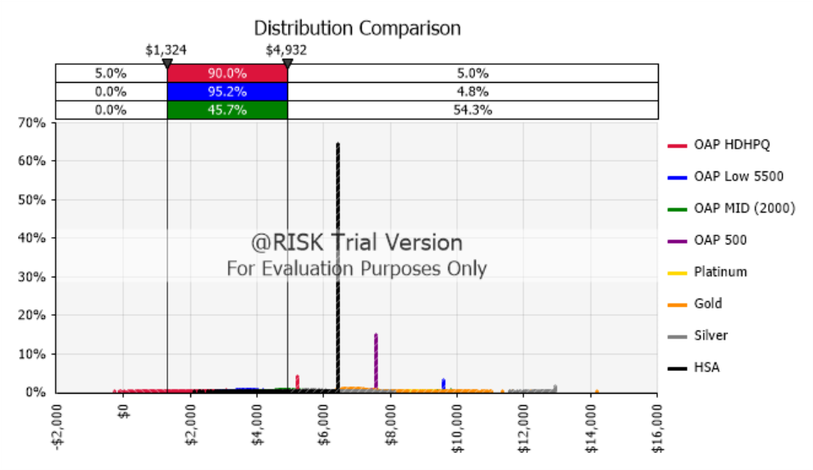

Summary Statistics for Outputs
Statistic | OAP HDHPQ |  | OAP Low 5500 |  | OAP MID (2000) | OAP 500 | Platinum | Gold | Silver | HSA
Cell | IndDeduct!H37 |  | IndDeduct!J37 |  | IndDeduct!L37 | IndDeduct!N37 | IndDeduct!Q37 | IndDeduct!S37 | IndDeduct!U37 | IndDeduct!W37
Minimum | -$ 255.60 |  | $ 2,792.40 |  | $ 3,971.40 | $ 6,217.80 | $ 6,807.03 | $ 5,873.36 | $ 4,603.01 | $ 2,114.03
Maximum | $ 5,224.40 |  | $ 9,597.40 |  | $ 9,806.40 | $ 7,552.80 | $ 9,699.03 | $ 14,213.36 | $ 12,928.01 | $ 6,444.03
Mean | $ 3,019.71 |  | $ 4,067.01 |  | $ 5,146.27 | $ 7,132.24 | $ 7,653.02 | $ 7,106.28 | $ 6,068.76 | $ 5,780.75
Std. Deviation | $ 981.45 |  | $ 1,102.33 |  | $ 880.77 | $ 305.60 | $ 412.05 | $ 798.06 | $ 1,316.26 | $ 1,017.85
Variance | 963,234 |  | 1,215,141 |  | 775,750 | 93,393 | 169,787 | 636,897 | 1,732,552 | 1,036,027
Skewness | 0.0371 |  | 4.0412 |  | 3.5065 | -0.2686 | 1.5079 | 3.8549 | 4.0965 | -1.1997
Kurtosis | 3.1597 |  | 20.6415 |  | 17.4689 | 2.2018 | 7.3580 | 26.7266 | 21.0643 | 3.0136
Median | $ 3,028.40 |  | $ 3,862.40 |  | $ 4,986.40 | $ 7,137.80 | $ 7,597.03 | $ 6,973.36 | $ 5,818.01 | $ 6,444.03
Mode | $ 5,224.40 |  | $ 9,597.40 |  | $ 4,821.40 | $ 7,552.80 | $ 7,637.03 | $ 7,123.36 | $ 12,928.01 | $ 6,444.03
1% | $ 744.40 |  | $ 3,047.40 |  | $ 4,196.40 | $ 6,442.80 | $ 6,955.03 | $ 6,143.36 | $ 4,888.01 | $ 3,114.03
2.5% | $ 1,044.40 |  | $ 3,127.40 |  | $ 4,276.40 | $ 6,522.80 | $ 7,019.03 | $ 6,233.36 | $ 4,983.01 | $ 3,414.03
5% | $ 1,324.40 |  | $ 3,217.40 |  | $ 4,366.40 | $ 6,607.80 | $ 7,113.03 | $ 6,323.36 | $ 5,083.01 | $ 3,694.03
10% | $ 1,684.40 |  | $ 3,352.40 |  | $ 4,491.40 | $ 6,717.80 | $ 7,213.03 | $ 6,463.36 | $ 5,228.01 | $ 4,054.03
20% | $ 2,304.40 |  | $ 3,502.40 |  | $ 4,631.40 | $ 6,852.80 | $ 7,341.03 | $ 6,613.36 | $ 5,403.01 | $ 4,674.03
25% | $ 2,468.40 |  | $ 3,567.40 |  | $ 4,696.40 | $ 6,907.80 | $ 7,395.03 | $ 6,673.36 | $ 5,478.01 | $ 5,014.03
50% | $ 3,028.40 |  | $ 3,862.40 |  | $ 4,986.40 | $ 7,137.80 | $ 7,597.03 | $ 6,973.36 | $ 5,818.01 | $ 6,444.03
75% | $ 3,648.40 |  | $ 4,202.40 |  | $ 5,321.40 | $ 7,397.80 | $ 7,841.03 | $ 7,323.36 | $ 6,223.01 | $ 6,444.03
80% | $ 3,780.40 |  | $ 4,297.40 |  | $ 5,411.40 | $ 7,462.80 | $ 7,899.03 | $ 7,413.36 | $ 6,328.01 | $ 6,444.03
90% | $ 4,300.40 |  | $ 4,577.40 |  | $ 5,686.40 | $ 7,552.80 | $ 8,095.03 | $ 7,683.36 | $ 6,663.01 | $ 6,444.03
95% | $ 4,932.40 |  | $ 4,912.40 |  | $ 6,021.40 | $ 7,552.80 | $ 8,343.03 | $ 8,013.36 | $ 7,078.01 | $ 6,444.03
97.5% | $ 5,224.40 |  | $ 9,597.40 |  | $ 9,036.40 | $ 7,552.80 | $ 8,801.53 | $ 9,825.86 | $ 12,507.18 | $ 6,444.03
99% | $ 5,224.40 |  | $ 9,597.40 |  | $ 9,556.40 | $ 7,552.80 | $ 9,178.70 | $ 10,481.69 | $ 12,928.01 | $ 6,444.03

